1. Title Page
Project Name: Instacart Grocery Basket Analysis
Date: 17.05.2023
Analyst Name: Eva-Maria Kuck

Contents:
Population Flow
Consistency checks
Wrangling steps
Column derivations
Visualizations
Recommendations

Data Citation:
Customer data, as well as the "prices" data, were both fabricated for the purpose of this project.
“The Instacart Online Grocery Shopping Dataset 2017”, Accessed from www.instacart.com/datasets/grocery-shopping-2017 via Kaggle on [date].

2. Population Flow
Title page

Population flow

Exclusion flag
Condition: max_order < 5
Obervations to be removed: 1440295 observations
Final total count of order_products_all: 30964564 rows

Orders_products_combined
Orders_products_merged
Orders_products_all

Total: 32404859
Total: 32424489
Total: 32404859

1.) The grey boxes in the first row of the population flow represent the original data sets as they were when you downloaded them. In the Total fields you need to add the count of the rows when you imported the data set into Jupyter.
2.) The second row of boxes (coloured) represents the data sets after you manipulated them, e.g., removed missing values and duplicates. In the Total fields you need to add the count of the rows after conducting these operations. This offers a visual oveview of how the data flows throughout the data consistency checks.
3.) The third row, where also the arrows are coloured, represents the merges you performed between the datasets. In the Total fields you need to add the count of the rows in the merged datasets, so that you end up with the final dataset (in the red box). Keep in mind the final dataset should be without exclusions (based on the exclusion flag).

3. Consistency checks
 |  |  |  | Title page
Consistency checks

Dataset | Missing values | Missing values treatment | Duplicates
orders | 206209 missing values in 'days_since_prior_order' | I imputed 0 values for the NaN values, so that the values tell us that a customer has made its first order. | No duplicates found
products | 16 missing values in 'product_name' | Dropping the rows with missing values | 5 duplicates
products | Several values in the "prices" column were unrealistically high, namely either $14,900 or $99,999. This was only discovered in Task 4.9. | Following the advice given in Exercise 4.9, I replaced these 5127 prices with NaN.
orders_products_prior | No missing values |  | No duplicates found
customers | No missing values |  | No duplicates found

4. Wrangling steps
 |  |  |  | Title page
Wrangling steps

Columns dropped | Columns renamed | Columns' type changed | Comment/Reason
"eval_set" from orders |  |  | The data is not needed for further analysis
 | "order_dow" from orders to "orders_day_of_week" |  | The new name is more comprehensible
 |  | "order_id" from orders to string | "order_id" contains string values and not integer values
 |  | "user_id" from orders to string | "user_id" contains string values and not integer values
 | "Surnam" from customers to "last_name" |  | The new name is more comprehensible and the uniform lowercase convention is used throughout this project
 | "First Name" from customers to "first_name" |  | For uniformity
 | "Gender" from customers to "gender" |  | For uniformity
 | "STATE" from customers to "state" |  | For uniformity
 | "Age" from customers to "age" |  | For uniformity
 | "n_dependants" from customers to "number_of_dependants" |  | For clarity
 | "fam_status" from customers to "marital_status" |  | For clarity
"first_name" from customers |  |  | For security concerns since it contains PII
"last_name" from customers |  |  | For security concerns since it contains PII

5. Column derivations
 |  |  |  |  | Title page
In this tab you should add tables below that the frequences of flags/label variables that you produced after derivingthem. NB: don't do this for continuous variables, only for flags.
Column derivations and aggregations

Dataset | New column | Column/s it was derived from | Conditions | Frequencies
ords_prods_merged | price_label | prices | price <= 5 : 'Low range product' | Low-range product 10126321
 |  |  | price > 5 & <= 15 : 'Mid range product' | Mid-range product 21860860
 |  |  | price > 15: 'High range product' | High-range product 417678
ords_prods_merged | busiest day | orders_day_of_week | 0 = 'Busiest day' | Busiest day 6204182
 |  |  | 4 = 'Least busy' | Least busy 3783802
 |  |  | else: 'Regularly busy' | Regularly busy 22416875
ords_prods_merged | busiest days | orders_day_of_week | 0 or 1 = 'Busiest days' | Busiest days 11864412
 |  |  | 4 or 3 = 'Slowest days ' | Slowest days 7624336
 |  |  | else: 'Regularly busy' | Regularly busy 12916111
ords_prods_merged | busiest_period_of_day | order_hour_of_day | value = [0, 1, 2, 3, 4, 5, 6, 23] : 'Fewest orders' | Fewest orders 1289137
 |  |  | value = [ 9, 10, 11, 12, 13, 14, 15, 16]: 'Most orders' | Most orders 21118071
 |  |  | else: 'Average orders' | Average orders 9997651
ords_prods_merged | max_order | order_number | Dataframe grouped by 'user_id' and 'order_number' transformed into maximum of 'order_number'
ords_prods_merged | loyalty_flag | max_order | max_order > 40 : 'Loyal customer' | Loyal customer 10284093
 |  |  | max_order <= 40 & > 10 : 'Regular customer', | Regular customer 15876776
 |  |  | max_order < 10: 'New customer' | New customer 6243990
ords_prods_merged | avg_price | prices | Dataframe grouped by 'user_id' and 'prices' transformed into mean of 'prices'
ords_prods_merged | spending_flag | avg_price | avg_price >= 10: 'High spender' | High spender 119709
 |  |  | avg_price < 10 : 'Low spender' | Low spender 32285150
ords_prods_merged | median_order_freq | days_since_prior_order | Dataframe grouped by 'user_id' and 'days_since_prior_order' transformed into median of 'days_since_prior_order'
ords_prods_merged | ord_frequency_flag | median_order_freq | >20: 'Non-frequent customer' | Non-frequent customer 3636434
 |  |  | <= 20 & >10: 'Regular customer' | Regular customer 7208564
 |  |  | <=10: 'Frequent customer' | Frequent customer 21559853
all_combined_2 | region | state | Midwest' | Midwest 7597325
 |  |  | Northeast' | Northeast 5722736
 |  |  | South' | South 10791885
 |  |  | West' (according to the general convention, see also https://en.wikipedia.org/wiki/List_of_regions_of_the_United_States) | West 8292913
all_combined_2 | low_order_flag | max_order | max_order < 5: 'Low-activity customer' | Low-activity 1440295
 |  |  | max_order >= 5: 'High-activity customer' | High-activity 30964564
all_combined_2 | age_profile | age | age <= 35: 'Young' | Young 9146419
 |  |  | age > 35 & <65: 'Middle-aged' | Middle-aged 14683356
 |  |  | age >=65: 'Senior' | Senior 8575084
all_combined_2 | income_profile | income | income < 75000: 'Low income' | Low income 10442766
 |  |  | income >= 75000 & <125000: 'Mid income' | Mid income 13331136
 |  |  | income >= 125000: 'High income' | High income 8630957
all_combined_2 | vegan_profile | department_id | If the customer has 0 orders from department_id=12 (meat) and 0 orders from department_id=16 (dairy): 'Vegan' | Vegan 383427
 |  |  | otherwise: 'Non-vegan' | Non-vegan 32021432
all_combined_2 | pet_profile | department_id | If the customer has 0 orders from department_id=8 (pet): 'No pet' | No pet 28876718
 |  |  | otherwise: 'Pet owner' | Pet owner 3528141
all_combined_2 | family_profile | marital_status & number_of_dependants | (family_status = married) and (number_of_dependents == 1) : married, no children | Married no children 7550904
 |  |  | (family_status = married) and (number_of_dependents >= 2) : married with children | Married with children 15205849
 |  |  | (family_status in (single, divorced/widowed, living with parents and siblings)) and (number_of_dependents == 0) : single, no children | Single no children 8097503
 |  |  | (family_status in (single, divorced/widowed, living with parents and siblings)) and (number_of_dependents >= 1) : single with children/dependants | Single with children/dependants 1550603

6. Visualizations
 |  |  |  |  |  | Title page

Visualisations

In this tab you should include all the visualtions from Exercises 4.9 and 4.10, alongside the questions from the project brief that they answer. Include any commentary on the relationship between different variables.

This bar chart shows the number of orders (y-axis) by day of the week (x-axis). The days of the week are numbered as:
0=Saturday
1=Sunday
2=Monday
3=Tuesday
4=Wednesday
5=Thursday
6=Friday
One can see that Saturday, Sunday and Friday are the busiest days and Wednesday is the day with least orders. Generally speaking, the weekend is the time of week with most orders.
Key Questions:
1. What are the busiest days of the week and the busiest hours of the day?

This histogram demonstrates the frequency of orders (y-axis) by hour of the day (x-axis). The hours of the day are numbered as standard military time.
It is easily visible that orders are at their highest from 9am until 5 pm and then drop steadily to reach a low between midnight and 6 pm.
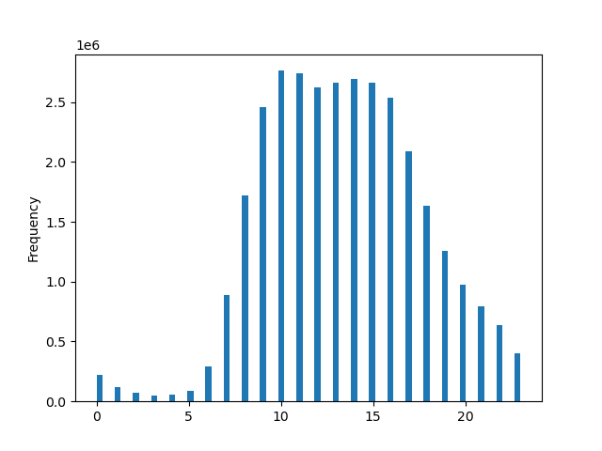
2. Are there particular times of the day when people spend the most money?
This line chart illustrates the average price of ordered item by the order hour of the day.
There is not much difference in the average price for different hours of the day. One can see a slight difference between the peak hour of around 4 am to the trough hour of around 10 am, although the price difference is only about 10%.

3. Instacart has a lot of products with different price tags. Marketing and sales want to use simpler price range groupings to help direct their efforts.

I have grouped products into low- mid- and high-range products. Please see the "Column derivations" sheet (row 1) for more details.

4. Are there certain types of products that are more popular than others?

This bar chart shows the amount of products bought from different departments.
One can see that products from the departments "produce" (4) and "eggs/dairy" (16) are the most popular, followed by the products from the departments "snacks" (19), "beverage" (7), "frozen" (1), and "pantry" (13).
 | 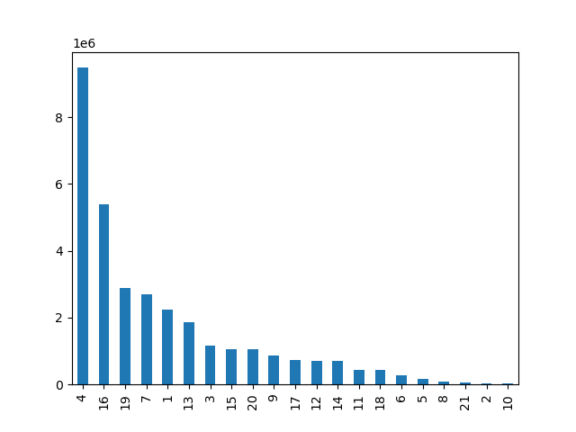

Regular Customer
Loyal Customer
New Customer
This bar chart shows the number of customers who fall into one of the three categories:
Loyal customers: have placed over 40 orders
Regular customers: have placed between 10 and 40 orders
New customers: have placed 10 or fewer orders
Regular customers make up 50% of all customers and loyal customers about one third of all customers.
5.1 What’s the distribution among users in regards to their brand loyalty (i.e., how often do they return to Instacart)?
 | 
5.2 Are there differences in ordering habits based on a customer’s loyalty status?
This stacked bar chart shows the relative number of orders customers of the three customer loyalty groups placed in the different departments.
The pattern seems to be relatively consistent with two exceptions: Loyal customers order more products from the department "bulk" (10) and "babies"(18) and new customers order relatively little from these two departments.
The departments are numbered as followed:
1: department: frozen
2: department: other
3: department: bakery
4: department: produce
5: department: alcohol
6: department: international
7: department: beverages
8: department: pets
9: department: dry goods pasta
10: department: bulk
11: department: personal care
12: department: meat seafood
13: department: pantry
14: department: breakfast
15: department: canned goods
16: department: dairy eggs
17: department: household
18: department: babies
19: department: snacks
20: department: deli
21: department: missing
 | 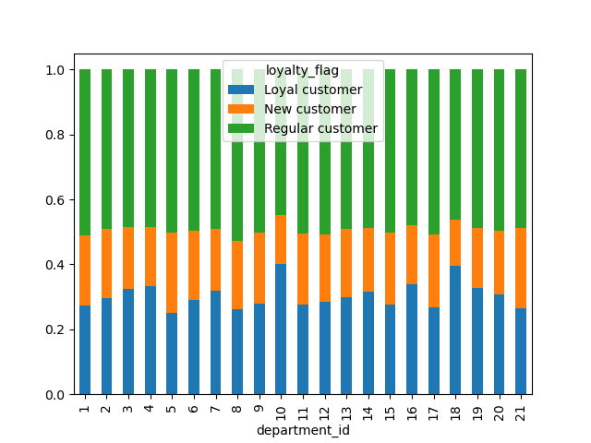

Midwest
This grouped bar chart shows that the proportion of high spenders is very low across all four regions and the proportion of low spenders is relatively high across all four regions. While the heights of the bars in each group are different across regions, they are in relatively the same proportion to one another from group to group across regions. So, the region where a customer lives doesn't seem to affect the amount of money the customer spends on ordered products.
Northeast
South
West
This stacked bar chart demonstrates that the relative amount of product ordered from different departments is consistent across all four regions.
5.3 Are there differences in ordering habits based on a customer’s region?
 |  | 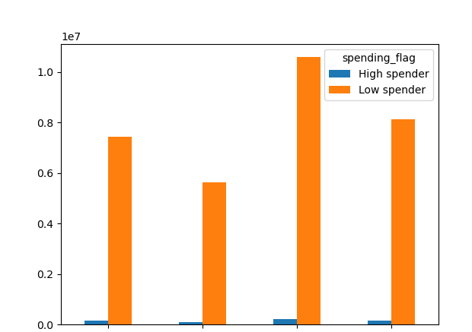 |  |  | 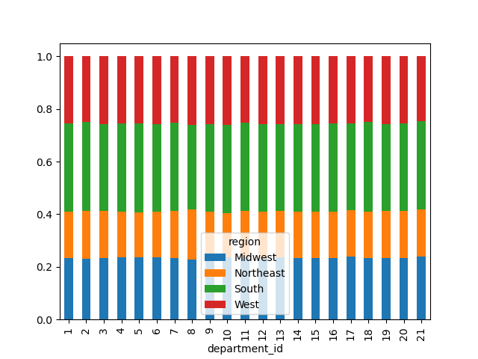
Taken together, there are no differences in ordering habits based on customer's region.
5.4 Is there a connection between age and family status in terms of ordering habits?
 |  |  |  | 
This line chart shows the relationship between customer age and the number of dependants a customer has.
We can see that there is no relationship between the two variables, rather the number of dependants is unrelated to customer age. Moreover, neither of those categories individually seemed to have much of an impact on the amount of money spent at Instacart or the departments the customer purchased from.
This scatterplot shows the relationship between customer age and spending power/income.
It tells us that a big part of people in all age groups earns up to 200k per year. A few people younger than 40 years make between 200k and 400k per year. Overall, people older than 40 years make more money: the amount of people making between 200k and 300k is bigger and some people over 40 make up to 600k per year.
Although this graphic is not related to ordering habits, it can help us target a possible age group which has high spending power.
This bar chart demonstrates the frequency of different age groups among the customers. The mayority of customers are middle-aged, i.e. between 35 and 65 years old.
Middle-aged
Young
Senior
This bar chart shows the frequency of different family status groups among the customers. The mayority of customers are married and have children.
Married with childern
Single, no children
Married, no children
Single with children/ depedants
This bar chart demonstrates the frequency of different income groups among the customers. The mayority of customers have a mid-income.
Mid income
Low income
High income
This bar chart shows the frequency of customers with a non-vegan and vegan diet. Clearly, customers with a non-vegan diet make up the mayority.
Non-vegan
Vegan
This bar chart shows the frequency of customers without a pet vs. with a pet. Clearly, customers without a pet make up the mayority.
No pet
Pet owner
5.5 What different classifications does the demographic information suggest? Age? Income? Certain types of goods? Family status?
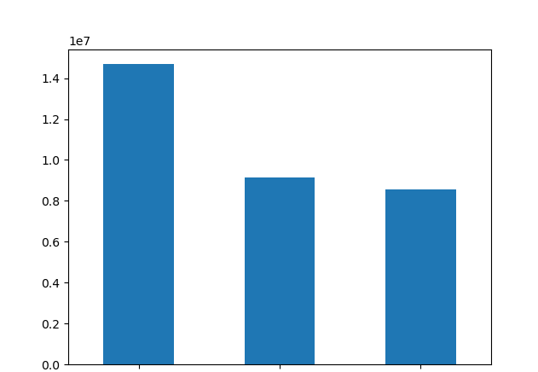 |  |  | 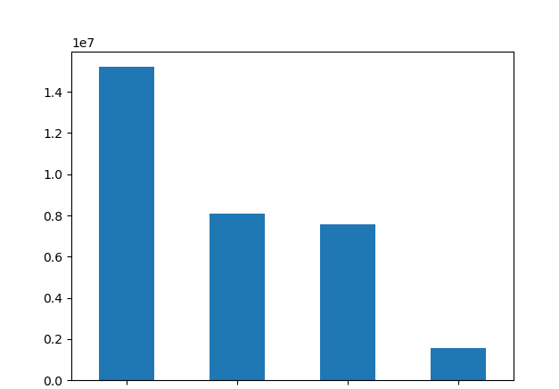 |  |  |  | 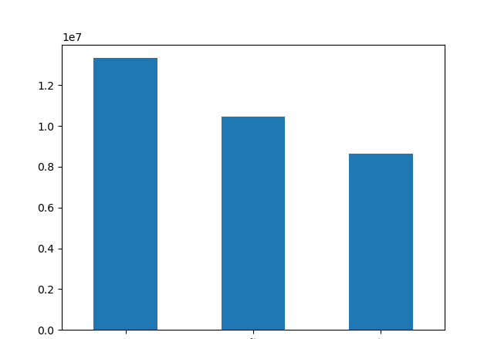
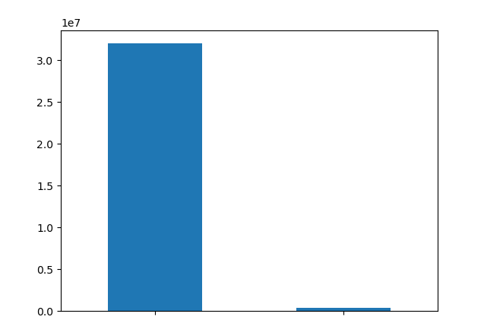 |  |  | 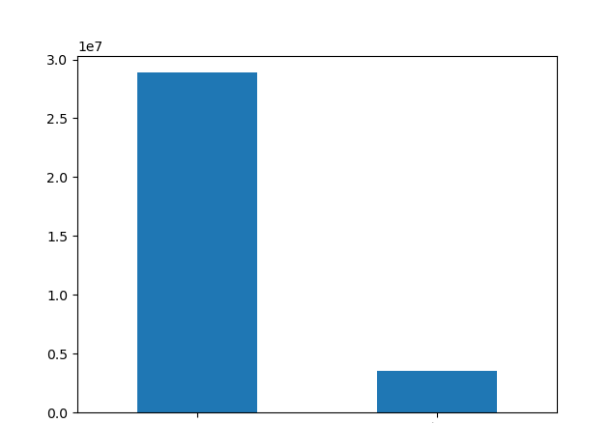

5.6 What differences can you find in ordering habits of different customer profiles?

First, I looked at the differences in profiles for different regions. Each of these graphs shows the relative frequency of the various profiles within each region. Interestingly, there were no noticeable differences found and the profiles were very consistent across all regions.

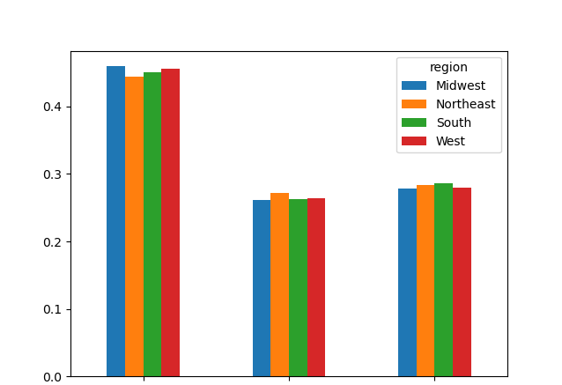
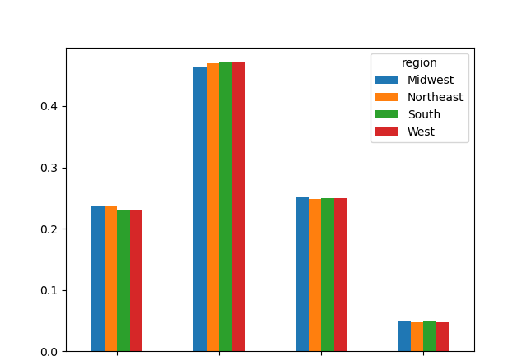
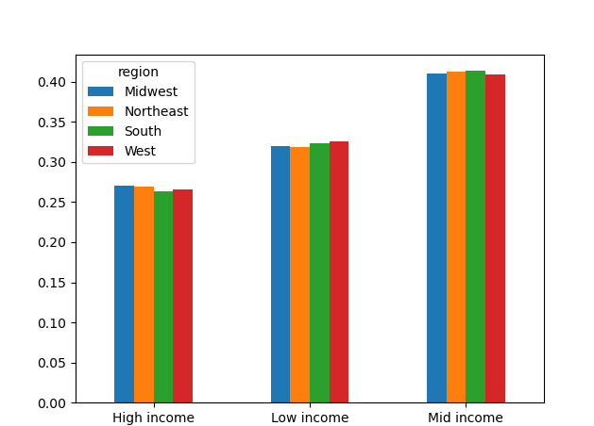

Middle-aged
Senior
Young
Married, no children
Married with children
Single, no children
Single with children

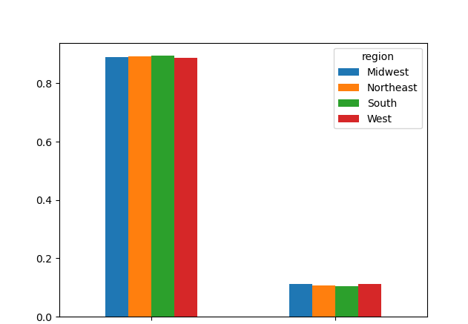
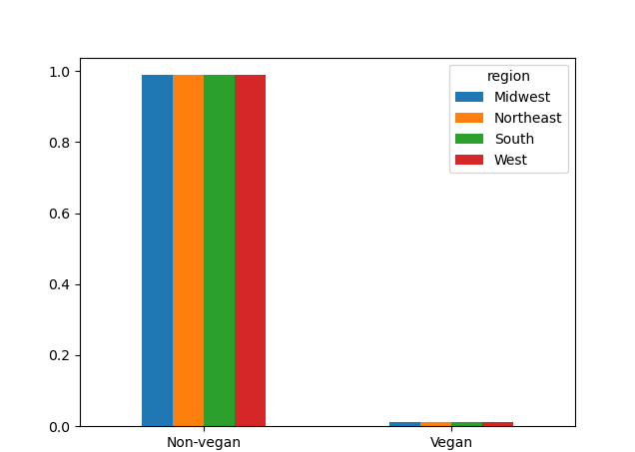

No pet
Pet owner

Then I looked at the differences in profiles for the different products (from different departments) that the consumers bought.

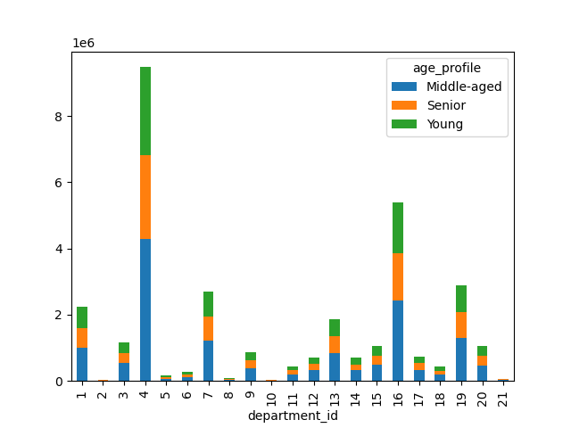
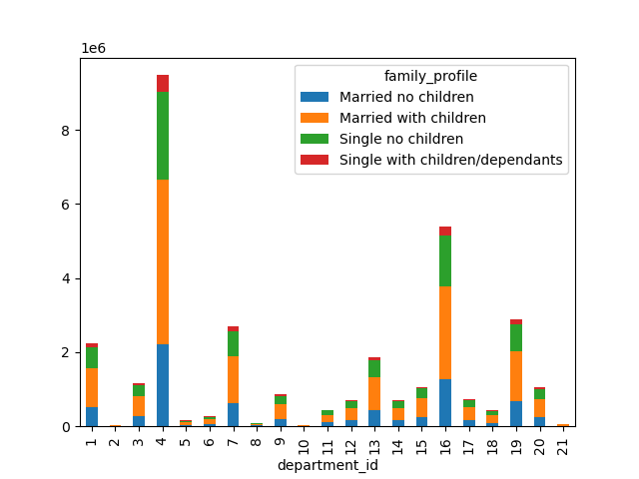

A general note on the stacked bar charts: Since there are many department_ids and in addition different profile groups, some of stacked bar charts may be a little bit "difficult on the eye". Therefore, please also attend to the respective descriptions under the charts.
The departments are numbered as followed:
1: department: frozen
2: department: other
3: department: bakery
4: department: produce
5: department: alcohol
6: department: international
7: department: beverages
8: department: pets
9: department: dry goods/ pasta
10: department: bulk
11: department: personal care
12: department: meat/ seafood
13: department: pantry
14: department: breakfast
15: department: canned goods
16: department: dairy/ eggs
17: department: household
18: department: babies
19: department: snacks
20: department: deli
21: department: missing

This stacked bar chart shows the average number of products bought in different departments by different age groups/profiles.
We can see that different age groups buy produce from different departments at similar rates.
This stacked bar chart shows the average number of products bought in different departments by different family profiles.
Different family_profile groups buy produce from different departments at similar rates except for little differences in "alcohol"(5) and "pet items" (8), where singles with children/dependants have relatively higher spendings.

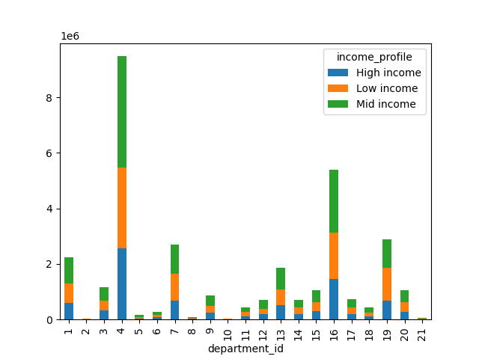
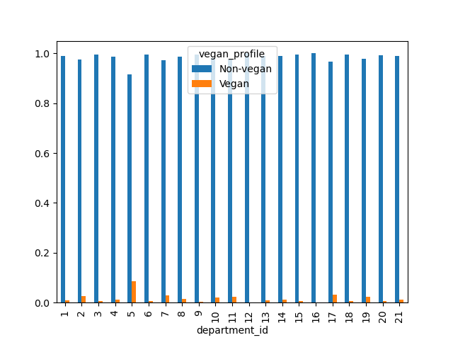

This stacked bar chart shows the average number of products bought in different departments by different income profiles.
In many departments, there are slight differences especially between the low income group and the other two groups in respect of their spending. Often, and as expected, the low income group spends relatively less money than the other two groups, except for the departments "beverages" (7), "bulk" (10), "breakfast" (14), "household" (17) and "snacks" (19), where spendings are a little higher than in the other two groups.

This grouped bar chart shows the average relative number of products bought in different departments by vegans vs. non-vegans.
There are differences here in nearly all departments. Vegans spend relatively less on "frozen" (1), "bakery" (3), "dry goods/pasta" (9), "pantry" (13), "canned goods" (15), "deli" (20), and obviously, they don't buy meat (12) and dairy (16). Vegans spend relatively more money on "produce" (4), "alcohol" (5), "beverages" (7), "personal care" (11), "household" (17) and "snacks" (19).

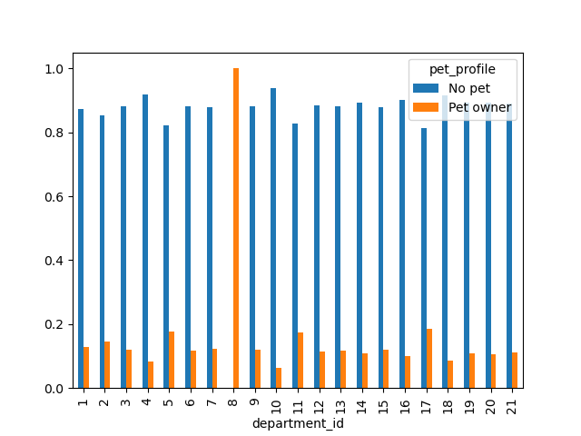

This grouped bar chart shows the average relative number of products bought in different departments by different pet owner vs. customers without pets.
There are differences in the following departments: Pet owners spend relatively more on "frozen" (1), "beverages" (7), of course "pets" (8), "personal care" (11), "pantry" (13), and "household" (17). They spend relatively less on "produce" (4), and "dairy/eggs" (16).

7. Recommendations
 |  | Title page

Recommendations

In this tab you should include any recommendations you would made to Instcart in terms of their marketing strategy based on the questions posed in the brief. Every key question has been covered in the Tasks of the Exercises - here you need to add an item - a visualisation or table/crosstable that is showing the answer in the data, acompanied by a comment from you. Please, list the questions below and add the answer underneath.

Key Questions:
1. What are the busiest days of the week and the busiest hours of the day?

Saturday, Sunday and Friday are the busiest days and Wednesday and Tuesday are the days with least orders. Generally speaking, the weekend is the time of week with most orders.
Orders are at their highest from 9am until 5 pm and then drop steadily to reach a low between midnight and 6 pm.
Recommendation: To increase revenue, Instacart should place ads on Tuesday and Wednesday (when orders are low) between 9am and 5pm to reach as many customers as possible.

2. Are there particular times of the day when people spend the most money?

One can see a slight difference between the peak hour of around 4 am (which continues until about 7 am) to the trough hour of around 10 am, although the price difference is only about 10%.
Recommendation: Instacart should place more ads for high-priced products in the early morning hours from 4 am until 7 am.

3. Instacart has a lot of products with different price tags. Marketing and sales want to use simpler price range groupings to help direct their efforts.

 | I have grouped products into low- mid- and high-range products. Please see the "Column derivations" sheet (row 1) for more details.

4. Are there certain types of products that are more popular than others? The marketing and sales teams want to know which departments have the highest frequency of product orders.

Products from the departments "produce" (4) and "eggs/dairy" (16) are the most popular, followed by the products from department "frozen" (1), "beverage" (7), "pantry" (13) and "snacks" (19).
Recommendation: Instacart could either advertise the already pretty well sold products like "dairy", "frozen", "beverages" etc. or put more advertizing effort into the not so well sold items from like "bakery", "dry goods/pasta" or "household". Probably more exploration of the customers' preferences would make sense.

5.1 What’s the distribution among users in regards to their brand loyalty (i.e., how often do they return to Instacart)?

Regular customers make up 50% of all customers and loyal customers about one third of all customers, so all in all Instacart customers are already quite loyal.
Loyal customers: have placed over 40 orders
Regular customers: have placed between 10 and 40 orders
New customers: have placed 10 or fewer orders
Recommendation: Rewards or loyalty programs can be developed and advertised to increase customer statisfaction and customer loyalty.

Regular customers
Loyal customers
New customers

5.2 Are there differences in ordering habits based on a customer’s loyalty status?

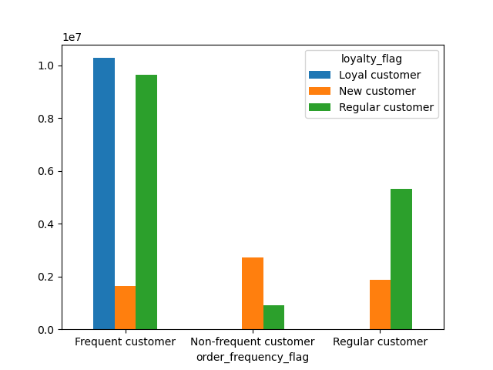

The pattern seems to be relatively consistent with two exceptions: Loyal customers order more products from the department "bulk" (10) and "babies"(18) and new customers order relatively little from these two departments.
Recommendation: Ordering habits seem to depend only a little on customers' loyalty status in terms of loyal customers ordering more bulk and baby items. Instacart could tailor special offers for loyal customers (advertized e.g. per email) in the departments of "bulk" and "babies" items.

5.3 Are there differences in ordering habits based on a customer’s region?

The region where a customer lives doesn't seem to affect the amount of money the customer spends on ordered products. Also, the relative amount of products ordered from different departments is consistent across all four regions.
We can summarize that ordering habits do not seem to depend on a customer's region.
Recommendation: Therefore, Instacart should consider factors other than geographical region to understand their customers' behavior.

Midwest
Northeast
South
West
5.4 Is there a connection between age and family status in terms of ordering habits?

There is no relationship between age and number of dependants. Moreover, neither of those categories individually seemed to have much of an impact on the amount of money spent at Instacart or the departments the customer purchased from.
However, people older than 40 years make more money: the amount of people making between 200k and 300k is bigger than in younger age groups and some people over 40 years make up to 600k per year.
Although this is not directly related to ordering habits, it can help us target an age group with high spending power.
Recommendation: Therefore, Instacart could further explore customers over 40 years as a group with high spending power and target their ads accordingly.

5.5 What different classifications does the demographic information suggest? Age? Income? Certain types of goods? Family status?

After analyzing data on region, age, family status, and income, I did not notice any remarkable trends. I only found trends in relation to diet preferences and pet ownership, though this is not exactly a demographic issue. See more below for information about the differences in these groups.

5.6 What differences can you find in ordering habits of different customer profiles?

The greatest differences were found when comparing vegans and non-vegans as well as pet owners vs. customers without pets.
Vegans spend relatively less on "frozen" (1), "bakery" (3), "dry goods/pasta" (9), "pantry" (13), "canned goods" (15), "deli" (20), and obviously, they don't buy meat (12) and dairy (16). Vegans spend relatively more money on "produce" (4), "alcohol" (5), "beverages" (7), "personal care" (11), "household" (17) and "snacks" (19).
Pet owners spend relatively more on "frozen" (1), "beverages" (7), of course "pets" (8), "personal care" (11), "pantry" (13), and "household" (17). They spend relatively less on "produce" (4), and "dairy/eggs" (16).
Recommendation: It might be reasonable for Instacart to profile and adress their customers based on their diet (vegan or non-vegan) and their pet ownership.

